Q.1
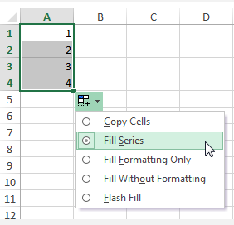
1. What do you mean by AutoComplete feature in Excel and what are the benefits of using this feature?

AutoComplete helps you quickly insert functions and arguments while minimizing typing and syntax errors. The AutoComplete menu shows you available options based on context, and you choose what you want to insert into your formula.

Autofill covers anything from dates, days of the week, to months of the year and more… Excel will automatically fill in the series. this can save so much time and reduce data entry errors. For example, I want to create a quick timetable with the days of the week using Autofill.

1. Copy Cell: This feature helps you to copy and paste the selected dragged cells.
2. Fill Series: It is the default option. It auto-fills the dates based on their pattern.
3. Fill Without Formatting: This features auto-fills the cells by identifying the pattern type and it does not copy the cell’s formatting.
4. Fill Days: This feature auto-fills the cells with days.
5. Fill Weekdays: This option auto-fills the cells with weekdays only and eliminates the weekends.
6. Fill Months: This feature fills the cells with incrementing months.
7. Fill Years: Fill Years option fills the cells with the incrementing years. Therefore the day number and month number will be the same for all the cells.

